No Activation
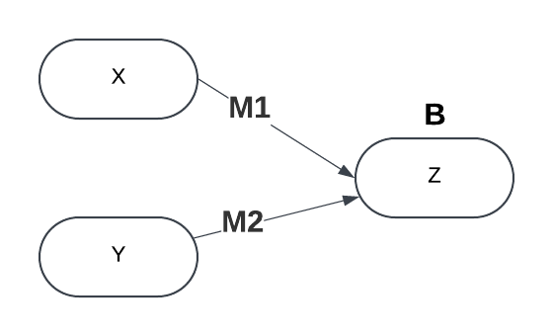
M1 | 1.333
M2 | 1.333
B | -2
Σ SqErr | 29.883112

X | Y | Expected | Result | IsWrong | Actual | SqErr
-1 | -1 | 0 | 0 | 0 | -4.666 | 21.771556
-1 | 1 | 0 | 0 | 0 | -2 | 4
1 | -1 | 0 | 0 | 0 | -2 | 4
1 | 1 | 1 | 1 | 0 | 0.666 | 0.111556

